Dala Sales & Deliveries
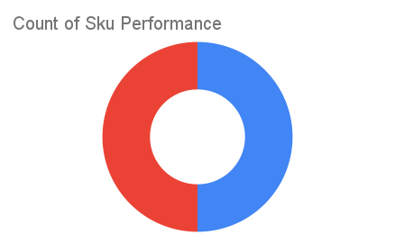
 |  |  |  |  |  | Total Invoices Delivered | 3.00 | Sku Performance | Units | Value
 |  |  |  |  |  | Unique Locations Supplied | 3.00 | 100g Cressolife Sweetened Cashew Nuts (24x) | 0.75 | 43,650.00
 |  |  |  |  |  | Total Value of orders | 64,250.00 | 1Ltrs Cressolife Palm Oil (12x) | 0.50 | 20,600.00
 |  |  |  |  |  |  |  |  | 0.00 | 0.00
 |  |  |  |  |  |  |  |  | 0.00 | 0.00
 |  |  |  |  |  |  |  |  | 0.00 | 0.00
 |  |  |  |  |  |  |  |  | 0.00 | 0.00
 |  |  |  |  |  |  |  |  | 0.00 | 0.00
 |  |  |  |  |  |  |  |  | 0.00 | 0.00
 |  |  |  |  |  |  |  |  | 0.00 | 0.00
 |  |  |  |  |  |  |  |  | 0.00 | 0.00
 |  |  |  |  |  |  |  |  | 0.00 | 0.00
 |  |  |  |  |  |  |  |  | 0.00 | 0.00
Date | Vch No. | Particulars | item name | Quantity | Value

2025-01-10 | DT:002743 | Zomain Supermarket, JAKANDE Gate | 1Ltrs Cressolife Palm Oil (12x) | 0.50 | 20,600.00
2025-02-10 | DT:002756 | D'Emperor Superstore | 100g Cressolife Sweetened Cashew Nuts (24x) | 0.25 | 14,550.00
2025-08-10 | DT:002831 | Limitless Mart, LEKKI | 100g Cressolife Sweetened Cashew Nuts (24x) | 0.50 | 29,100.00

